READ ME
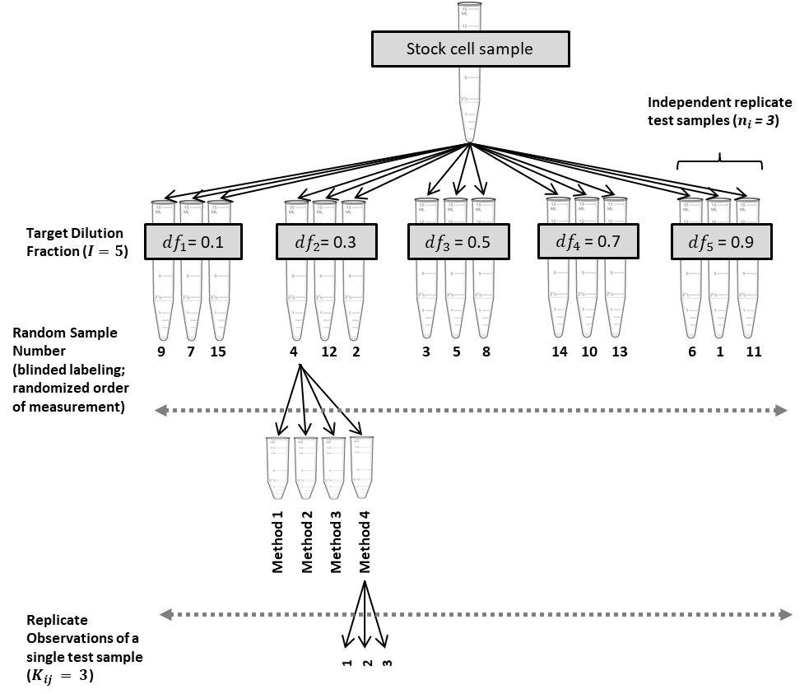
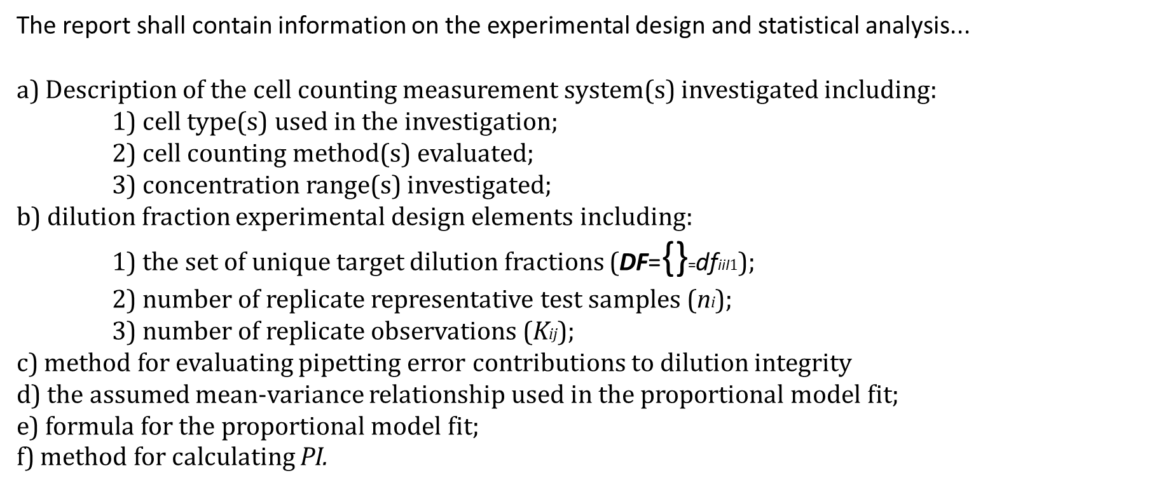
READ ME File for COMET (COunting Method Evaluation Tool)
 | https://cell-counting.shinyapps.io/appv1/

COMET (COunting Method Evaluation Tool) is a Shiny App that accepts data in a specific template based on a specified experimental design and conducts statistical analysis, and outputs quality indicators for the cell counting methods as well as additional meta-data important for reporting of results.

COMET is designed to accept data from experimental designs that follow the principles outlined in the ISO standard, "ISO 20391-2:2019 Biotechnology — Cell counting — Part 2: Experimental design and statistical analysis to quantify counting method performance" The outputs of this app are intended follow the reporting requirements and recommendations of the standard.

This excel file contains 1) a data template that can be saved as a *.CSV file for upload into COMET, 2) a description of the columns in the data template, 3) a simple form data template with minimal data requirements for running COMET, 4) a description of the input parameters for the App, 5) a description of the App output tabs and their contents, 6) a description of the contents of the results download file, 7) several example studies that can be saved as *.CSV files and run using COMET.

More information on the experimental design and statistical analysis approach for quantifying cell counting method performance can be found at:
 | https://www.nist.gov/programs-projects/evaluating-quality-cell-counting-methods-experimental-design-and-statistical

Additional Resources:
 | 1) | ISO 20391-1:2018 Biotechnology — Cell counting — Part 1: General guidance on cell counting methods |  |  | https://www.iso.org/standard/68879.html
 | 2) | ISO 20391-2:2019 Biotechnology — Cell counting — Part 2: Experimental design and statistical analysis to quantify counting method performance |  |  | https://www.iso.org/standard/67892.html
 | 3) | Standards Landscape in Cell Counting: Implications for Cell & Gene Therapy. Sarkar, Pierce, Lin-Gibson, Lund. (Cell & Gene Therapy Insights, 2019) |  |  | https://insights.bio/immuno-oncology-insights/journal/article/236/standards-landscape-in-cell-counting-implications-for-cell-gene-therapy
 | 4) | Evaluating the quality of a cell counting measurement process via a dilution series experimental design. Sarkar, Lund, Vyzasatya, Vanguri, Elliott, Plant, Lin-Gibson.(Cytotherapy, 2017) |  |  | https://pubmed.ncbi.nlm.nih.gov/29037942/

 |  |  | Example Experimental Design | Quality Indicator Reporting |  | Meta-Data Reporting

